Sheet1
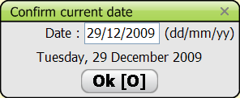
#ARRAY_REF | #TEXT with & short cuts | #TEXT_ENG | #DE_TEXT | #DE_TEXT_ENG | #__COMMENT__ | #__PHOTO__
TXT_LOADING | Loading, please wait ... | Loading, please wait ... |  |  | Visible only with slow computer
TXT_CONFDATE | Confirm current date | Confirm current date
TXT_DATE | Date : | Date :
TXT_DDMMYY | (dd/mm/yyyy) | (dd/mm/yyyy)
TXT_RESUMSG1 | A pending interview has been detected! | A pending interview has been detected! | A pending record has been detected! | A pending record has been detected!
TXT_RESUMSG2 | Please use the 'Resume interview' option to continue working with it | Please use the 'Resume interview' option to continue working with it | Please use the 'Resume record' option to continue working with it | Please use the 'Resume record' option to continue working with it
TXT_24HOURS | 24 H. &Recall | 24 H. &Recall | Data &Entry | Data &Entry | start up
TXT_SETUP | &Setup | &Setup
TXT_LOADSUBJECTS | &Load subject list | &Load subject list
TXT_INTERVIEWDB | Interview Databases | Interview Databases
TXT_INTERVIEWBACKUP | Backup/Save – Restore saved Databases | Backup/Save – Restore saved Databases |  |  | bak
TXT_INTERVIEWXML | Export+Delete - Import/Create Databases | Export+Delete - Import/Create Databases |  |  | xml
TXT_EPICSOFTDB | GloboDiet parameters Databases | GloboDiet parameters Databases
TXT_EPICSOFTRESTORE | Restore GloboDiet database | Restore GloboDiet database
TXT_EPICSOFTXML | Import GloboDiet database | Import GloboDiet database
TXT_ABOUT | &About... | &About...
TXT_QUIT | &Quit | &Quit
TXT_SETUPOP | Setup options | Setup options
TXT_WEANDHE | Weight and Height units | Weight and Height units
TXT_BRITISHU | British units | British units
TXT_CHKBDATE | Ask date at beginning | Ask date at beginning
TXT_INTCENTER | Interviewer/Center | Interviewer/Center | Operator/Center | Operator/Center
TXT_WARNING | Warning | Warning
TXT_INTNOTFOUND | Interviewer not found. | Interviewer not found. | Operator not found. | Operator not found. | "warning" in Edit interview when loading old interviews | 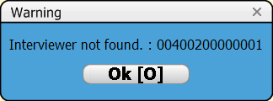 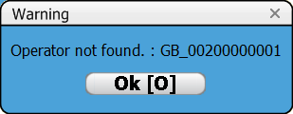 |  | 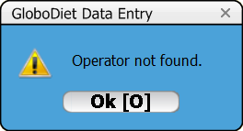
TXT_SELSUBJECTFILE | Select subject file | Select subject file |  |  | Dialog box to select XLS file…
TXT_VALIDSUBJECTS | Number of loaded subjects | Number of loaded subjects |  |  | old print screen | 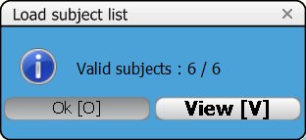
TXT_NOPAT | No Subject Found | No Subject Found |  |  |  | 
TXT_PLIS | List of Interviewees | List of Interviewees | List of subjects | List of subjects
TXT_NEWINT | &New Interview | &New Interview | &New record | &New record
TXT_EDITINT | &Edit Interview | &Edit Interview | &Edit record | &Edit record
TXT_RESUMEINT | &Resume Interview | &Resume Interview | &Resume record | &Resume record
TXT_COUNTRYCENTER | Location | Location |  |  | edit interview mode
TXT_PATCODE | Code | Code
TXT_DATEINT | Date of Recall : | Date of Recall : | Date of record : | Date of record :
TXT_RECALLDATE | Recall date | Recall date |  |  | obsolete --> Date of recall
TXT_INTVCOUNTRY | Intvr.country | Intvr.country | Oper.country | Oper.country | obsolete--> location
TXT_INTVCENTER | Intvr.center | Intvr.center | Oper.center | Oper.center | obsolete--> location
TXT_NUTKCAL | ENERGY (Kcal) | ENERGY (Kcal)
TXT_NOTENERG | Energy Requirement | Energy Requirement
TXT_RECOMPUTE | Recompute date | Recompute date
TXT_CNTR | Center ( Country ) List | Center ( Country ) List |  |  | new interview mode
TXT_COUNTRY | Country | Country |  |  |  | 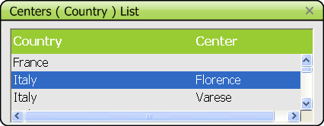
TXT_CCNOTFOUND | Country/Center not found. | Country/Center not found. |  |  |  | 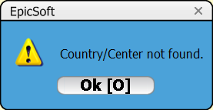
TXT_INTW | Interviewers | Interviewers | Operators | Operators | title of pop up
TXT_INTVCODE | Intvr.code | Intvr.code | Oper.code | Oper.code
TXT_F1NOTES | F1 : Notes | F1 : Notes |  |  | general information step
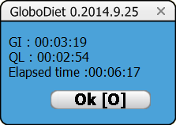
TXT_F2TIME | F2 : Duration | F2 : Duration
TXT_ELAPSED | Elapsed time : | Elapsed time :
TXT_OK | &Ok | &Ok
TXT_F5PLIS | F5 : Patients List | F5 : Patients List | F5 : Subject List | F5 : Subject List
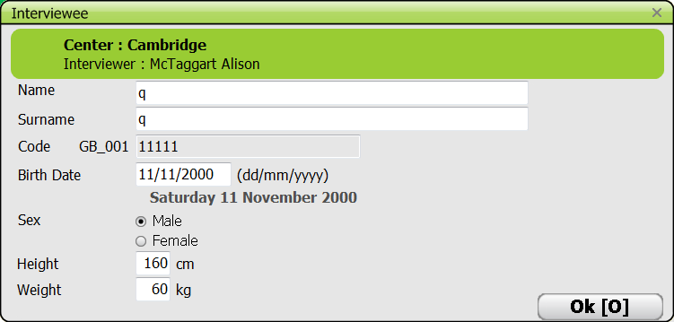
TXT_NOTINTVEE | Interviewee: | Interviewee: | Subject : | Subject : | heading of pop-up
TXT_CENTER | Center : | Center : |  |  | In green field
TXT_INTERVIEWER | Interviewer : | Interviewer : | Operator : | Operator : | In green field
TXT_PATNAME | Name | Name
TXT_PATSURNAME | Surname | Surname
TXT_BDATE | Birth Date | Birth Date
TXT_SEX | Sex | Sex
TXT_MALE | Male | Male
TXT_FEMALE | Female | Female
TXT_HEIGHT | Height | Height
TXT_WEIGHT | Weight | Weight
TXT_DURATION | Duration of Interview : | Duration of Interview : | Duration of record entry : | Duration of record entry :
TXT_HHMMSS | (hh:mm:ss) | (hh:mm:ss)
TXT_MODIFY | &Modify | &Modify |  |  | when pressing F3
TXT_ALTF1NOTES | ALT+F1 : Show All Notes | ALT+F1 : Show All Notes
TXT_F3INFO | F3 : General information | F3 : General information
TXT_MISSING | Missing or invalid field values detected. | Missing or invalid field values detected. |  |  |  | 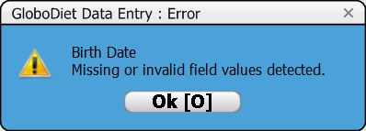
TXT_NAMEEMPTY | Name cannot be empty | Name cannot be empty |  |  | for name or surname field empty | 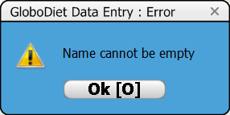
TXT_ALREADYASSIGNED | This code has already been assigned | This code has already been assigned |  |  |  | 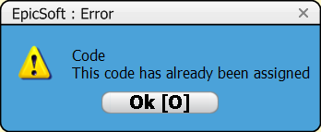
TXT_ALREXISTS | This code and date have already been assigned to another interview. | This code and date have already been assigned to another interview. | This code and date have already been assigned to another record. | This code and date have already been assigned to another record.
TXT_FNOTEMPTY | This field cannot be blank! Please enter a valid value. | This field cannot be blank! Please enter a valid value.
TXT_CANNOTNUL | This value cannot be null or negative. | This value cannot be null or negative. |  |  |  | 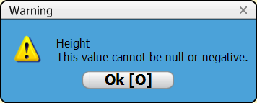
TXT_INVRANGE | Invalid range. | Invalid range. |  |  |  | 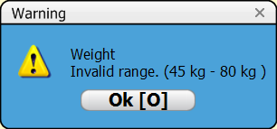 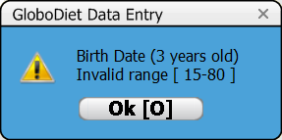 |  | 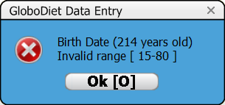
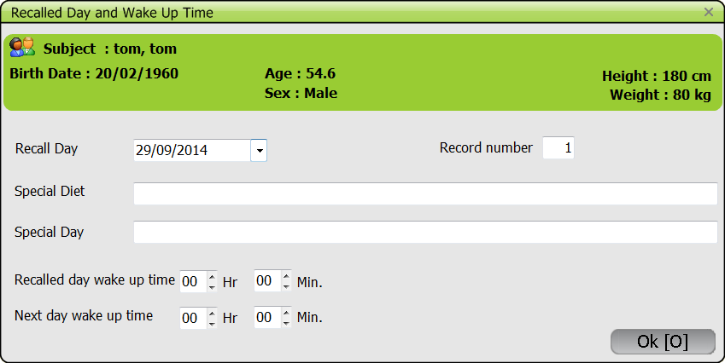
TXT_RECDWUT | Recalled Day and Wake Up Time | Recalled Day and Wake Up Time |  |  | heading of the pop up
TXT_AGE | Age : | Age :
TXT_NEWRECALLDAY | Recall Day | Recall Day
TXT_INTNUM | Interview number | Interview number | Record number | Record number
TXT_SPECDIET | Special Diet | Special Diet
TXT_SPECDAY | Special Day | Special Day
TXT_WUTIMER | Recalled day wake up time | Recalled day wake up time
TXT_WUTIMEN | Next day wake up time | Next day wake up time
TXT_SHORTMIN | Min. | Min.
TXT_SHORTHOUR | Hr | Hr
TXT_INVALIDDATE | Invalid date | Invalid date |  |  | DataEntry only (if today is chosen) | 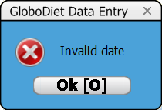
TXT_ASK_SPDIET | Did you have a special diet? | Did you have a special diet?
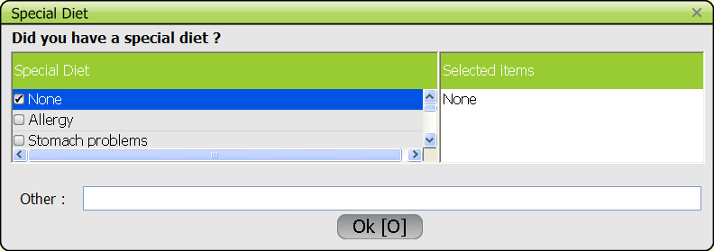
TXT_ASK_SPDAY | Did you have a special day? | Did you have a special day? |  |  |  | 
TXT_FCSELECTED | Selected items | Selected items
TXT_OTHER | Other | Other
TXT_ERROR | Error | Error
TXT_MUSTSELDIET1 | You must select a Special Diet | You must select a Special Diet |  |  |  | 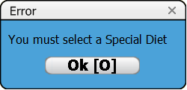
TXT_MUSTSELDAY | You must set a Special Day | You must set a Special Day |  |  |  | 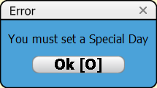
TXT_YES | &Yes | &Yes
TXT_NO | &No | &No
TXT_NNOTES | Interview Notes | Interview Notes | Record Notes | Record Notes | F1: enter a note - heading
TXT_NOTEASK | Do you want to enter information in a general or specific NOTE? | Do you want to enter information in a general or specific NOTE? |  |  | out of the general information section, there is the choice.
TXT_NOTESPEC | &Specific note | &Specific note
TXT_NOTEGEN | &General note | &General note
TXT_NOTEALL | &View All notes | &View All notes
TXT_NEXIT | Esc or F3 : Exit | Esc or F3 : Exit |  |  |  | 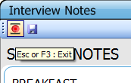
TXT_NEXITSAV | Ctrl-S or F4 : Save and Exit | Ctrl-S or F4 : Save and Exit
TXT_NOTESALL | All notes | All notes |  |  | Alt F1: View notes
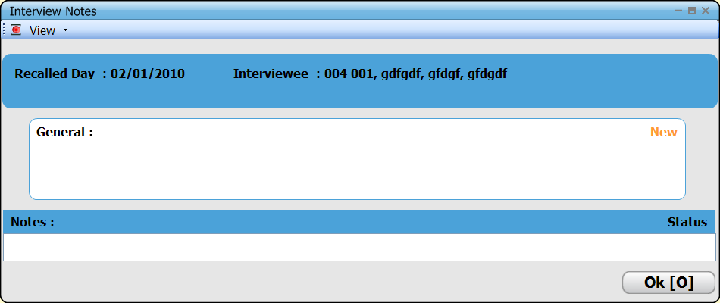
TXT_RECD | &Recalled Day : | &Recalled Day :
TXT_INTERVIEWEE | Interviewee : | Interviewee : | Subject : | Subject :
TXT_VANSTATUS | Status | Status
TXT_VANNOTES | Notes : | Notes :
TXT_NOTGENNOT | GENERAL NOTES | GENERAL NOTES |  |  | in general information step and after
TXT_SPECPART | SPECIFIC NOTES | SPECIFIC NOTES |  |  | linked a dietary interview item
TXT_UNKQTY | UNKNOWN QTY : | UNKNOWN QTY : |  |  | automatic note | 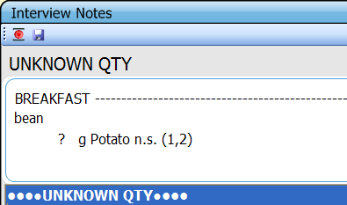
TXT_ZEROQTY | NULL QTY : | NULL QTY : |  |  | automatic note | 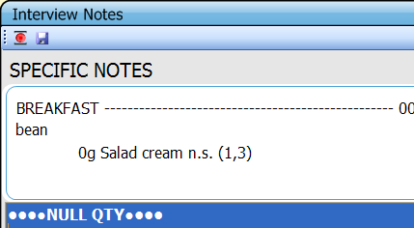
TXT_EMPTYFCO | Empty FCO | Empty FCO |  |  | automatic note
TXT_OVERFLOW | OVERFLOW QTY: | OVERFLOW QTY: |  |  | automatic note
TXT_NOTNEWFOOD | NEW FOOD: | NEW FOOD: |  |  | automatic note
TXT_NOTNEWREC | NEW RECIPE: | NEW RECIPE: |  |  | automatic note | 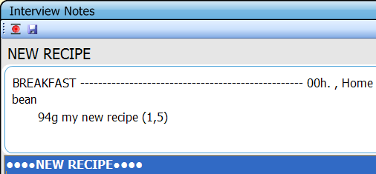
TXT_RECCOMM | STRICTLY COMMERCIAL RECIPE | STRICTLY COMMERCIAL RECIPE |  |  | automatic note
TXT_NOTADDING | Open(recipe) : Add(ingredient) | Open(recipe) : Add(ingredient) |  |  | automatic note
TXT_NOTDELING | Open(recipe) : Delete(ingredient) | Open(recipe) : Delete(ingredient) |  |  | automatic note
TXT_RNOTES | Recipe Notes | Recipe Notes |  |  | old print screen
TXT_SELSUPQUANT | Please select a Quantification Method | Please select a Quantification Method |  |  |  | 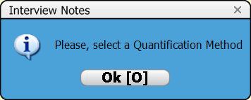
TXT_WARNSUPP | No dietary supplement selected ! | No dietary supplement selected ! |  |  |  | 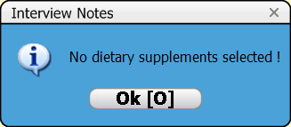
TXT_MAXSIZENOTE | Note size is too big | Note size is too big |  |  |  | 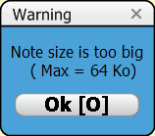
TXT_NOTQLIST | Quick List | Quick List |  |  | Quick list step (this may be skipped in Data Entry)- heading
TXT_FUNCTIONS | &Functions | &Functions |  |  | menu
TXT_NEXTOCC | &Next Occasion (F5) | &Next Occasion (F5) | Add Occasion | Add Occasion
TXT_ADDQLITEM | &Add Item (F4) | &Add Item (F4) | Add Quick List Item | Add Quick List Item
TXT_QLEDIT | &Edit/Modify (F8) | &Edit/Modify (F8) | Edit Occasion/Quick List Item | Edit Occasion/Quick List Item
TXT_DELQLITEM | &Delete Item (F6) | &Delete Item (F6) | Delete Occasion/Quick List Item | Delete Occasion/Quick List Item
TXT_DESCQUA | Description/&Quantification (F9) | Description/&Quantification (F9)
TXT_VIEW | &View | &View |  |  | menu
TXT_EXPANDED | &Expand (F7) | &Expand (F7)
TXT_COMPRESSED | &Compress (ALT-F7) | &Compress (ALT-F7)
TXT_ASKFOR_SUPP | Did you take any dietary supplement ? | Did you take any dietary supplement ?
TXT_DELOCC | Delete current Occasion ? | Delete current Occasion ? |  |  | in quick list step, "delete item" with cursor on a FCO
TXT_DELCURIT | Delete current item ? | Delete current item ? |  |  | in quick list step, "delete item" with cursor on a quick list item
TXT_FCO | Food Consumption Occasion | Food Consumption Occasion |  |  | heading of pop up | 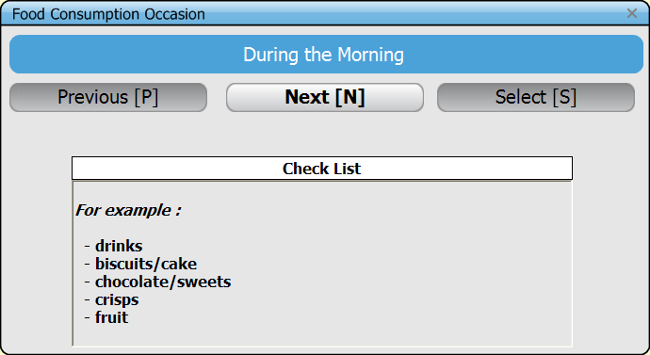 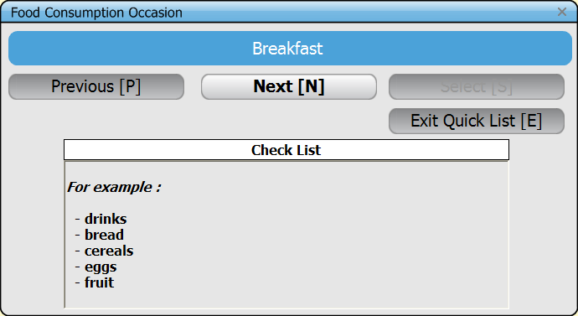
TXT__PREV | &Previous | &Previous
TXT__NEXT | &Next | &Next
TXT__SELECT | &Select | &Select
TXT__EXITQL | &Exit Quick List | &Exit Quick List
TXT_QLCHKLIST | Check List | Check List
TXT_QLFOREX | For example : | For example :
TXT_FCOHOUR | Hour | Hour |  |  |  | 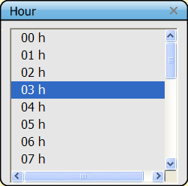
TXT_MUSTMINUT | Minutes must be selected | Minutes must be selected |  |  | if the field is left empty and you type "OK" | 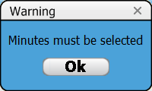
TXT_MINUT | Minutes | Minutes |  |  |  | 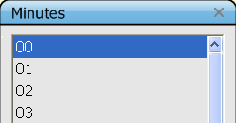
TXT_FCOPLACE | Place | Place |  |  |  | 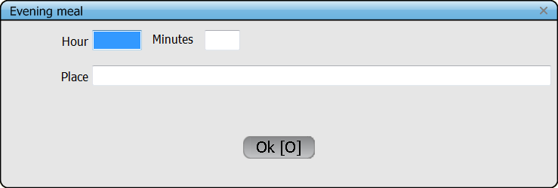
TXT_MUSTHOUR | You must select a time | You must select a time |  |  | if the field is left empty and you type "OK" | 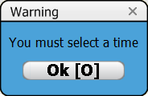 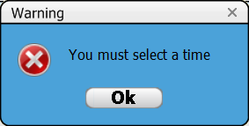
TXT_HPSELECTED | The 'hour/place' selected has already been assigned. | The 'hour/place' selected has already been assigned.
TXT__HOURS | &Hours | &Hours
TXT_PLCONSUMP | Places of Consumption | Places of Consumption |  |  |  | 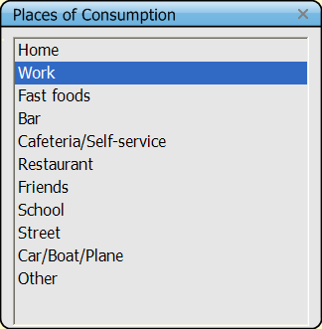
TXT_MUSTPLACE | You must select a place | You must select a place |  |  | if the field is left empty and you type "OK" | 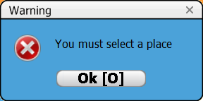
TXT_EMPTYOTHER | The ‘Other’ field is not filled; do you want to specify? | The ‘Other’ field is not filled; do you want to specify?
TXT_NOEXIT1 | You must complete the Quick List before continuing : | You must complete the Quick List before continuing :
TXT_NOEXIT2 | Go through the complete list of possible Foods | Go through the complete list of possible Foods
TXT_NOEXIT3 | Consumption Occasions ('Next Occasion' or F5) and select 'Exit Quick List'. | Consumption Occasions ('Next Occasion' or F5) and select 'Exit Quick List'.
TXT_QLCHECK | QUICK LIST CHECK | QUICK LIST CHECK |  |  | final check of the quick list step | 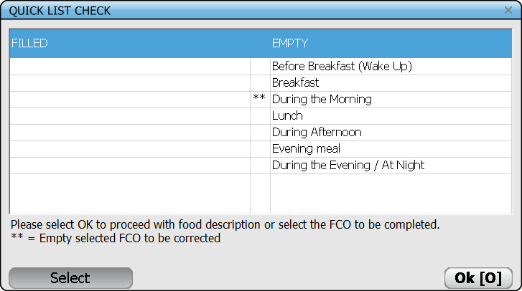
TXT_FILLED | FILLED | FILLED
TXT_EMPTY | EMPTY | EMPTY
TXT_QMESS1 | Please select OK to proceed with food description | Please select OK to proceed with food description
TXT_QMESS2 | or select the FCO to be completed. | or select the FCO to be completed.
TXT_CTRLQLEGEND | ** = Empty selected FCO to be corrected | ** = Empty selected FCO to be corrected
TXT_FDTITLE | Food/Recipe description and quantification | Food/Recipe description and quantification |  |  | Description/quantification step - heading
TXT_FDINTERV | &Interview | &Interview | &Record | &Record | menu
TXT_ALLOCC | &All Occasions | &All Occasions
TXT_SELOCC | &Select Occasion | &Select Occasion
TXT_RECING | &Recipe Ingredients (F7) | &Recipe Ingredients (F7)
TXT_FDQLI | &Quick List (F9) | &Quick List (F9)
TXT_CONTINTERV | Next interview step | Next interview step | Next record step | Next record step
TXT_NUTSUMMARY | Nutrient Summary (CTRL+S) | Nutrient Summary (CTRL+S) |  |  | In edit interview mode
TXT_SUPPMANAGER | Supplement manager (CTRL+F9) | Supplement manager (CTRL+F9) |  |  | In edit interview mode
TXT_SELOCCTIT | Select Occasion | Select Occasion |  |  | when selecting "Select Occasion" | 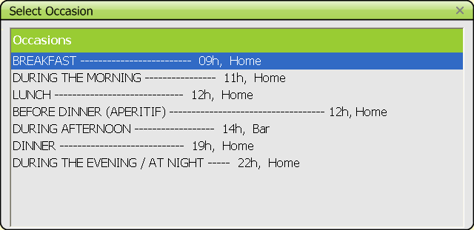
TXT_FDOCCASIONS | Occasions | Occasions
TXT_FDFOODITEMS | &Food Items | &Food Items |  |  | menu
TXT_ADDQQITEM | &Add item (F4) | &Add item (F4)
TXT_DELQQITEM | &Delete item (F6) | &Delete item (F6)
TXT_MODQUANT | &Modify quantity (F10) | &Modify quantity (F10)
TXT_EDITMXR | &Edit Recipe (F8) | &Edit Recipe (F8)
TXT_EXPINFO | E&xpand/compress info (F11) | E&xpand/compress info (F11)
TXT_PROBQUE | &Probing Questions (F12) | &Probing Questions (F12)
TXT_COPYITEM | &Copy Item To... (F5) | &Copy Item To... (F5)
TXT_FSSMENU | &Fat/Sauce/Sweetener Added | &Fat/Sauce/Sweetener Added
TXT_NOTINGFCO | An ingredient cannot be added at the FCO level. | An ingredient cannot be added at the FCO level. |  |  | data entry - when no FCO exists and F4 "add item" is chosen
TXT_NOTCOPYON | You cannot Copy Item onto a FCO | You cannot Copy Item onto a FCO |  |  | data entry - when "copy item" is chosen (F5) then pop-up with FCO & QLI is displayed and the user wants to copy directly under a FCO | 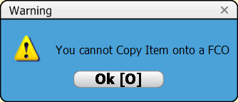
TXT_DELCURRFI | Delete current food item and attached notes ? | Delete current food item and attached notes ? |  |  | in description-quantification, when selecting "delete item" with cursor on a food
TXT_DELALLRINGS | Delete all recipe ingredients and attached notes ? | Delete all recipe ingredients and attached notes ? |  |  | in description-quantification, when selecting "delete item" with cursor on a recipe
TXT_DELQLITEMS | Delete contents of quick list item and attached notes ? | Delete contents of quick list item and attached notes ? |  |  | in description-quantification, when selecting "delete item" with cursor on a quick list item
TXT_OCCNODEL | Sorry, the FCO item cannot be deleted. | Sorry, the FCO item cannot be deleted. |  |  | in description-quantification step, when pressing "delete" on the keyboard with the cursor on a FCO | 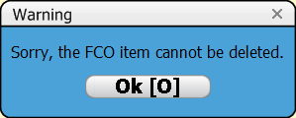
TXT_DETAILINFO | Detailed information | Detailed information |  |  | in description-quantification, when selecting "expand/compress info F11" with cursor
TXT_FDRECIPINF | RECIPE | RECIPE |  |  | on a recipe
TXT_FDSIMPLEINF | FOOD | FOOD |  |  | on a food
TXT_FATADDED | Fat added during cooking | Fat added during cooking |  |  | on the fat used for cooking
TXT_FDINGINF | INGREDIENT | INGREDIENT |  |  | on an ingredient
TXT_RECIPEPORTION | (recipe portion) | (recipe portion) |  |  | on an ingredient
TXT_FDDESCINF | DESCRIPTION | DESCRIPTION
TXT_FDQUANTINF | QUANTIFICATION | QUANTIFICATION
TXT_FDMETHINF | Method | Method
TXT_FDESTIMINF | Estimated | Estimated
TXT_FDCONSUMINF | Consumed | Consumed
TXT_FDFCOINF | Food Consumption Occasion | Food Consumption Occasion |  |  | on a FCO
TXT_FDQLIINF | Quick List Item | Quick List Item |  |  | on a quick list item
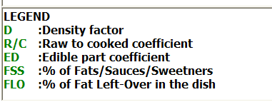
TXT_LEGEND | LEGEND | LEGEND
TXT_DENSITY | Density factor | Density factor
TXT_RAWCOOK | Raw to cooked coefficient | Raw to cooked coefficient
TXT_EDIBPART | Edible part coefficient | Edible part coefficient
TXT_PCTFSS | % of Fats/Sauces/Sweetners | % of Fats/Sauces/Sweetners
TXT_FATLOVER | % of Fat Left-Over in the dish | % of Fat Left-Over in the dish
TXT_DESTQLI | Select destination QLI | Select destination QLI |  |  | in description-quantification, when selecting "copy item to" | 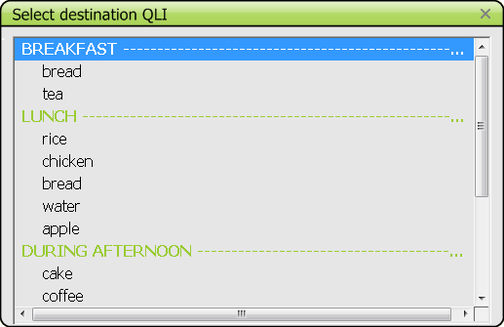
TXT_SEARFOR | Search for | Search for |  |  | when selecting a food
TXT_FOODLIST | Food List | Food List
TXT_FALPHA | Alphabetical order | Alphabetical order
TXT_GRPSBGRP | Group/SubGroup | Group/SubGroup |  |  | green field in the food/recipe list on the right
TXT_FVIEW | &View | &View |  |  | menu
TXT_FGSMENU | &Group/Subgroup (F4) | &Group/Subgroup (F4)
TXT_FALPHAMENU | &Alphabetical (F5) | &Alphabetical (F5)
TXT_FGIBOTTOM | Generic items (GI) at the bottom | Generic items (GI) at the bottom
TXT_FSEARCH | &Search | &Search
TXT_FNEWFOOD | &New Food | &New Food
TXT_INAME | &Name : | &Name :
TXT_IGROUP | GROUP | GROUP
TXT_ISUBG | SUBGROUP | SUBGROUP
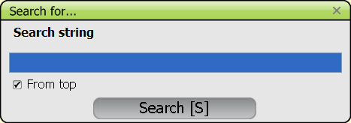
TXT_ISETGROUP | &Set Group | &Set Group
TXT_FSEARFOR | Search for... | Search for...
TXT_FSEARSTR | Search string | Search string
TXT_FFROMTOP | From top | From top
TXT_STREMPTY | No match found ! | No match found ! |  |  |  | 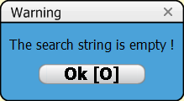
TXT_FGL | Food Group List | Food Group List
TXT_FSGL | Food Subgroup List | Food Subgroup List
TXT_RECILIST | Recipe List | Recipe List |  |  | select a recipe
TXT_BRANDLIST | &Brand Names (F11) | &Brand Names (F11)
TXT_NEWRECI | &New Recipe | &New Recipe |  |  | in menu
TXT_FNEWREC | New Recipe | New Recipe |  |  | title of pop up
TXT_FNOTGROUP | A GROUP must be selected ! | A GROUP must be selected ! |  |  |  | 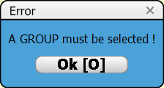
TXT_FNOTSUBGROUP | A SUBGROUP must be selected ! | A SUBGROUP must be selected ! |  |  |  | 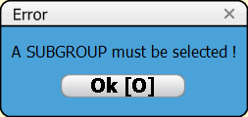
TXT_RCLA | Recipe Group List | Recipe Group List
TXT_RSCL | Recipe Subgroup List | Recipe Subgroup List
TXT_NOTEMPTY | The current occasion is not empty. Previous items will be overriden. | The current occasion is not empty. Previous items will be overriden.
TXT_CANCEL | &Cancel | &Cancel
TXT_CONTINUE | C&ontinue | C&ontinue
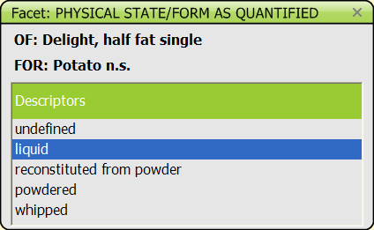
TXT_FFACET | Facet | Facet |  |  | description step
TXT_FOR | FOR: | FOR:
TXT_OF | OF: | OF:
TXT_FDESCRIPTOR | Descriptors | Descriptors
TXT_MUSTSELECT1 | Please select at least one item | Please select at least one item
TXT_MINDESC | Please select at least one descriptor | Please select at least one descriptor |  |  |  | 
TXT_FTYPEOFFAT | TYPE OF FAT USED FOR COOKING | TYPE OF FAT USED FOR COOKING |  |  |  | 
TXT_AFACSEL | [Select] | [Select]
TXT_SPFDCOOK | Please select the fat(s) used for cooking: | Please select the fat(s) used for cooking:
TXT_SPFDSELFAT | A fat must be selected ! | A fat must be selected ! |  |  |  | 


TXT_FBRUNDEF | -UNDEFINED- | -UNDEFINED-
TXT_FBRNEW | <New> | <New>
TXT_COMERNS | -Commercial n.s.- | -Commercial n.s.-
TXT_FBRNAMETXT | Name | Name
TXT_FBRMUST | A name must be selected. | A name must be selected. |  |  | if <new> selected
TXT_NMBRFFACET2 | Fat/Cream Selected | Fat/Cream Selected
TXT_NMBRFFACET3 | Milk/liquid Selected | Milk/liquid Selected |  |  |  | 
TXT_IGETRNAME | Individual Recipe | Individual Recipe |  |  | when selecting a new recipe
TXT_INAMETXT | Name | Name
TXT_IRECIPNONUL | Recipe name cannot be empty. | Recipe name cannot be empty. |  |  |  | 
TXT_FSELMIXSEL | Mixed Recipe Selected | Mixed Recipe Selected |  |  | when selecting a recipe
TXT_QANDPASCONSUMED | Percentages && Quantities as Consumed | Percentages && Quantities as Consumed
TXT_FNAME | Name | Name
TXT_FTYPE | Type | Type
TXT_RBRAND | Brand Name | Brand Name |  |  |  |  | 
TXT_FGROUP | Group | Group

TXT_FSUBGROUP | Subgroup | Subgroup
TXT_OPEN_R | Open | Open
TXT_OPENBRAND_R | Open with brand | Open with brand
TXT_CLOSE_R | Closed | Closed
TXT_CLOSEDBRAND_R | Closed with brand | Closed with brand
TXT_COMM_R | Strictly commercial | Strictly commercial
TXT_RECIPEMGR | Recipe ingredient manager | Recipe ingredient manager |  |  | in NEW interview mode - check of the recipe with the subject
TXT_IINGREDIENTS | &Ingredients | &Ingredients |  |  | menu
TXT_ISUBSTIT | &Substitute | &Substitute
TXT_IDESCRIPT | D&escribe | D&escribe
TXT_IADDING | &Add Ingredient (F4) | &Add Ingredient (F4)
TXT_IDELING | &Delete Ingredient (F6) | &Delete Ingredient (F6)
TXT_IUNDELING | Undelete item | Undelete item
TXT_HELPRECIPE | Help recipe | Help recipe
TXT_QUITREC | Quit without saving | Quit without saving
TXT_ISAVEXIT | Save &Recipe and Exit (F9) | Save &Recipe and Exit (F9)
TXT_MNOTSUBST | The selected ingredient cannot be substituted. | The selected ingredient cannot be substituted. |  |  | when choosing "substitute" | 
TXT_NOCHANGE | Descriptor change not allowed | Descriptor change not allowed |  |  | when choosing "describe" and willing to change from liquid to powdered for example. | 
TXT_CONFIRMPLS | Please confirm | Please confirm |  |  | when choosing "delete ingredient"
TXT_IDELINGYN | Delete current ingredient ? | Delete current ingredient ? |  |  |  | 
TXT_MEXITSAVE | Exit without saving ? | Exit without saving ? |  |  | when choosing "Quit without saving" | 
TXT_IEXITSA | Save current Recipe and Exit ? | Save current Recipe and Exit ? |  |  | when choosing "Save recipe and exit" | 
TXT_IEMPTYREC | Current individual recipe is empty or has only one ingredient. | Current individual recipe is empty or has only one ingredient. |  |  | in case of an individual recipe or known recipe saving

TXT_RECIPEHELP | Help : Standard Recipe Manager | Help : Standard Recipe Manager |  |  | help recipe
TXT_ASCONSUMED | As consumed | As consumed
TXT_ASESTIMATED | As estimated | As estimated
TXT_IQMODIF | &Modify quantity (F10) | &Modify quantity (F10) |  |  | in EDIT interview mode
TXT_IPROBQUE | &Probing Questions (F12) | &Probing Questions (F12)
TXT_IRGROUP | Recipe &Group/Subgroup | Recipe &Group/Subgroup
TXT_SAVETMPREC | Save && exit from the temporary recipe | Save && exit from the temporary recipe
TXT_SAVEFINREC | Save && exit from final recipe | Save && exit from final recipe
TXT_IMUSTDESC | The ingredient must be described before quantifying it. | The ingredient must be described before quantifying it. |  |  | When one selects the function F10 on a ingredient of Open known recipe | 
TXT_PQNOTALLOW | Probing questions not allowed for this item. | Probing questions not allowed for this item. |  |  |  | 
TXT_USEF8 | This is a mixed recipe ingredient! Please, use F8 to edit the recipe. | This is a mixed recipe ingredient! Please, use F8 to edit the recipe. |  |  | when positioned on an ingredient in description-quantification and pressing "return" (meaning a will to access the recipe ingredient manager)
TXT_OCCNOSEL | Sorry, the FCO item is not selectable. | Sorry, the FCO item is not selectable. |  |  |  | 
TXT_RINGNODEL | Sorry, the ingredient of a recipe cannot be deleted. | Sorry, the ingredient of a recipe cannot be deleted.
TXT_NOTSELQUANT | Sorry, current item is not selectable for quantification. | Sorry, current item is not selectable for quantification.

TXT_NOTRECRING | This is not a recipe or a recipe ingredient item. | This is not a recipe or a recipe ingredient item.
TXT_RMRECIPE | Recipe | Recipe |  |  |  | 
TXT_RMINGRED | Ingredients | Ingredients

TXT_QMETHTIT | Quantification | Quantification |  |  | quantification step | 
TXT_QMETHODS | &Methods | &Methods
TXT_PHOTO | Photo | Photo
TXT_QWEIGHT | Weight | Weight
TXT_QVOLUME | Volume | Volume
TXT_QINGRAMS | Quantification by weight | Quantification by weight |  |  |  | 
TXT_QVALUE | Value | Value
TXT_VITVALUE | Value: | Value:
TXT_QINVOLUME | Quantification by volume | Quantification by volume |  |  |  | 

TXT_NONEG | Quantity cannot be negative | Quantity cannot be negative |  |  |  | 
TXT_FRACTION | Fraction | Fraction
TXT_WRONGFRACT | 0 value not allowed | 0 value not allowed

TXT_QBYPHOTO | Quantification by Photo | Quantification by Photo
TXT_QSELPHOTO | &Select Photo | &Select Photo
TXT_PARTCONS | PART Consumed: | PART Consumed:
TXT_WHOLE | WHOLE | WHOLE
TXT_OTHERFRACT | Other fraction | Other fraction
TXT_QBYSHAPE | Quantification by Shape | Quantification by Shape |  |  |  | 
TXT_QANOTHER_SHP | did you have another shape/surface ? | did you have another shape/surface ?
TXT_SHAPE | Shape : | Shape : |  |  | old print screen
TXT_QWHATPART | Please indicate the part consumed or number of units for : | Please indicate the part consumed or number of units for :
TXT_QMORE | More | More
TXT_QANOTHER | Did you have another serving ? | Did you have another serving ? |  |  |  | 
TXT_SHAPEFRACT | Shape Fraction | Shape Fraction |  |  | heading of pop-up
TXT_QSHNOTFOUND | Shape code not found : | Shape code not found : |  |  |  | 
TXT_SHTHICKNESS | Shape thickness | Shape thickness |  |  |  | 
TXT_THICKNESS | Thickness : | Thickness :
TXT_QHHMTXT | Household Measures | Household Measures
TXT_HHM | HHM | HHM
TXT_QBYHHM | Quantification by household measures | Quantification by household measures |  |  | for dietary supplements
TXT_QSTDUTS | Standard Units | Standard Units
TXT_QUTSTXT | &Units | &Units
TXT_QSTDPOR | Standard Portion | Standard Portion
TXT_QPORTXT | &Portion | &Portion
TXT_NUMOFUTS | Number of units | Number of units
TXT_VITUNITS | units | units
TXT_QFACNUM | Number of units | Number of units |  |  |  | 
TXT_QUNITS | units | units
TXT_QBYUNITS | Quantification by Standard Units | Quantification by Standard Units
TXT_SPFACOOK | Standard % for FAT/SAUCE/SWEETENER added after cooking | Standard % for FAT/SAUCE/SWEETENER added after cooking
TXT_SPFASELE | Please select the ingredients used with: | Please select the ingredients used with: |  |  |  | 
TXT_QQUANTIF | Quantification | Quantification |  |  | Title.
TXT_QRAWORCOOK | Estimated Raw or Cooked ? | Estimated Raw or Cooked ?
TXT_QRAW | &Raw | &Raw
TXT_QCOOK | &Cooked/Not appl. | &Cooked/Not appl.
TXT_QUNEDIBLE | Estimated With or Without INEDIBLE Part ? | Estimated With or Without INEDIBLE Part ?
TXT_QWITH | &With | &With
TXT_QWITHOUT | With&out/Not appl. | With&out/Not appl.
TXT_RQUANTW | Individual part of the whole known recipe | Individual part of the whole known recipe
TXT_QRWHOLEPART | Please indicate the consumed part of the whole known recipe | Please indicate the consumed part of the whole known recipe
TXT_ANYLEFT | Was there any fat/sauce left-over in the dish? | Was there any fat/sauce left-over in the dish? |  |  |  | 
TXT_ANOTHERING | Another item to be added to the quick list item ? | Another item to be added to the quick list item ? | Any other item to be added to the FCO? | Any other item to be added to the FCO? | at the end of the quantification step
TXT_PQANYMISSING | Any missing items? | Any missing items?
TXT_PQADDMORE | &Add item | &Add item
TXT_QTOOBIG | The ESTIMATED quantity exceeds 9999 g. | The ESTIMATED quantity exceeds 9999 g.
TXT_QTOOBIG2 | The CONSUMED quantity exceeds 9999 g. | The CONSUMED quantity exceeds 9999 g.
TXT_MAXFOOD | Quantity consumed exceeds maximum value defined for this food ! | Quantity consumed exceeds maximum value defined for this food !
TXT_MAXIMUM | maximum | maximum
TXT_MAXRECIP | Quantity consumed exceeds maximum value defined for this recipe ! | Quantity consumed exceeds maximum value defined for this recipe !
TXT_UOMSG | Unknown and Overflow quantity summary | Unknown and Overflow quantity summary |  |  | final check before moving to the dietary supplements
TXT_EMPTYQLI | EMPTY QUICK-LIST ITEM | EMPTY QUICK-LIST ITEM
TXT_WARNQLIEMPTY | WARNING: Empty quick list items have to be managed by EITHER | WARNING: Empty quick list items have to be managed by EITHER | WARNING : Empty FCOs have to be managed by EITHER | WARNING : Empty FCOs have to be managed by EITHER
TXT_WARNQLIEMPTY2 | a) deleting them OR b) filling them | a) deleting them OR b) filling them | a) deleting them OR b) filling them | a) deleting them OR b) filling them
TXT_WTITLE1_SCR1 | Dietary interview summary and final checks | Dietary interview summary and final checks | Dietary record summary and final checks | Dietary record summary and final checks | heading
TXT_FOODINGLIST | Consumed Foods/Ingredients | Consumed Foods/Ingredients |  |  | menu
TXT_SUBJECT | Subject : | Subject :
TXT_YEARSOLD | years old | years old
TXT_WENERGY_REQ | ENERGY Requirement (Long term) | ENERGY Requirement (Long term)
TXT_WENERGY_REP | ENERGY Reported for the recalled day | ENERGY Reported for the recalled day
TXT_WNUTRIENTS | Overall Nutrients | Overall Nutrients
TXT_TOOLOW | Too Low | Too Low |  |  | Text in red
TXT_TOOHIGH | Too High | Too High |  |  | Text in red
TXT_WCOMMENT | Comment | Comment |  |  | in blue box
TXT_NUTENERG | Energy | Energy
TXT_NUTPROTE | Proteins | Proteins
TXT_NUTCARBO | Carbohydrates | Carbohydrates
TXT_NUTLIPID | Lipids | Lipids
TXT_NUTALCOH | Alcohol | Alcohol
TXT_NUTWATER | Water | Water
TXT_WINTAKE | Energy Intake | Energy Intake |  |  | in green box
TXT_WFOODING_INTAK | Food/ingredient Intake | Food/ingredient Intake |  |  | in green box
TXT_NUTOTHER | OTHER | OTHER


TXT_DETLIST | Detailed list | Detailed list
TXT_WBT_COMPRESS | &Compress | &Compress
TXT_COMPLIST | Compressed list | Compressed list
TXT_WBT_DECOMPRESS | &Detail | &Detail
TXT_NUTCLASSIF | Classification | Classification
TXT_WTOTAL | Total | Total
TXT_NUTREMARK | : Over maximum quantity (at least one) | : Over maximum quantity (at least one)
TXT_REMINDER_SUPP | Reminder | Reminder |  |  | dietary supplement step | 
TXT_SUPTITLE | Dietary supplement description and quantification | Dietary supplement description and quantification |  |  | heading of screen
TXT_PREVIOUSDAY | &Help record (previous day) | &Help record (previous day) | &Help record (previous day) | &Help record (previous day) | DataEntry only:
TXT_ADDFCOSUPP | &Add Occasion (F5) | &Add Occasion (F5)
TXT_DELFCOSUPP | &Delete Occasion (F6) | &Delete Occasion (F6)
TXT_MODFCOSUPP | Modify Occasion (hour or place) | Modify Occasion (hour or place)
TXT_ABORTSUPP | &Return in description / quantification | &Return in description / quantification
TXT_FDENDINT | &End Interview | &End Interview | &End Record | &End Record
TXT_SUPTITLECLASS | Dietary Supplement (Classification) | Dietary Supplement (Classification) |  |  | DietarySupplementClass parameter must be set to 1 in PARAM table | 
TXT_SEARCHSUPP | Search... | Search... |  |  | dietary supplements: search
TXT_NVIEW | &View | &View |  |  | menu
TXT_NEWSUPP | New Supplement | New Supplement
TXT_VITAOSUPP | Dietary supplements | Dietary supplements
TXT_DIETARY_SUPP | Dietary Supplement | Dietary Supplement
TXT_EXTRAFCO_SUPP | FCO non specified | FCO non specified
TXT_MNUSUPPITEMS | &Supplement Items | &Supplement Items |  |  | menu
TXT_ADDSUPP | &Add Supplement (F4) | &Add Supplement (F4)
TXT_ADDQLITEM_SUP | Add dietary supplement | Add dietary supplement
TXT_DELQLITEM_SUP | Delete dietary supplement | Delete dietary supplement
TXT_IUNDELING_SUP | Undelete dietary supplement | Undelete dietary supplement
TXT_QLEDIT_SUP | Edit dietary supplement | Edit dietary supplement
TXT_DELCURSUP | Delete current supplement item and attached notes ? | Delete current supplement item and attached notes ? |  |  | when choosing "delete"
TXT_VIEWNOTE | View Note | View Note
TXT_VITDRUG | Dietary supplement… | Dietary supplement…
TXT_QDESVITA | Describe/Quantify Dietary supplements | Describe/Quantify Dietary supplements |  |  | dietary supplements: quantification
TXT_QUNKNOWN | Unknown | Unknown
TXT_USUPMSG | Unknown quantity summary | Unknown quantity summary |  |  | final check before saving the inteview
TXT_INTLIST | List of Interviews | List of Interviews | List of records | List of records |  | 
TXT_QMOREBIG | The value must be bigger than 0 | The value must be bigger than 0 |  |  |  | 
TXT_FATNODEL | Sorry, FAT used for cooking cannot be deleted. | Sorry, FAT used for cooking cannot be deleted. |  |  |  | 
TXT_NOPENDING | No pending interview! | No pending interview! | No pending record! | No pending record! |  | 
TXT_SELMETHOD | Please select a measure | Please select a measure |  |  |  | 
TXT_QUEST_SUPP | You will have to answer to the question on dietary supplements before continuing | You will have to answer to the question on dietary supplements before continuing
TXT_RNOTEDITABLE | Recipe not editable | Recipe not editable |  |  | For strictly commercial recipe when you want to open it (F8) | 
 |  |  |  |  | recipe handling during interview
TXT_NEWKNOWNRECIPE | New / Known recipe | New / Known recipe
TXT_RMADDED | Added | Added |  |  |  |  | 
TXT_COMMNOCH1 | Descriptor cannot be changed. | Descriptor cannot be changed. |  |  | the description pathway of a recipe cannot be changed for facet Recipe production and Recipe Known/unknown
TXT_COMMNOCH2 | To modify it, delete the recipe and create another one. | To modify it, delete the recipe and create another one.
TXT_CHGBRAND1 | If you want to change the brand name, please delete the | If you want to change the brand name, please delete the
TXT_CHGBRAND2 | current recipe and then create another one. | current recipe and then create another one.

TXT_EDIT | Edit | Edit |  |  | short cut icones when the parameter bRemoveCtrlXCVZ=0 in PARAM table
TXT_CUT | Cut | Cut
TXT_COPY | Copy | Copy
TXT_PASTE | Paste | Paste
TXT_UNDO | Undo | Undo
TXT_FQUEST | What fat(s) did you use for cooking? | What fat(s) did you use for cooking? |  |  | Label in balloon for the question "type of fat used for cooking?"
TXT_SHFDYETSELECTED | This item has already been selected: | This item has already been selected: |  |  | When shadow and main item are selected in pop-up "type of fat used" and "type of liquid used" | 
TXT_ING_WARNING | Warning : the integrity of the original recipe is highly compromised by the newly added/deleted ingredients. Do you confirm? | Warning : the integrity of the original recipe is highly compromised by the newly added/deleted ingredients. Do you confirm? | Warning : the integrity of the original recipe is highly compromised by the newly added/deleted ingredients. Do you confirm? |  | New specification 2014 for Esapp For added ingredient with too high quantity April 2015: extended to sum of additions and/or deletions > cut-off 50%
TXT_ING_ERRQTY | Error : Abnormal consumed quantity | Error : Abnormal consumed quantity | Error : Abnormal consumed quantity |  | New specification 2014 for Esapp For added ingredient with quantity above cons_qty | 
TXT_FDENDINTQ | End the INTERVIEW ? | End the INTERVIEW ? | End of record? | End of record? | new interview mode | 
TXT_FDENDEDIT | End editing the INTERVIEW ? | End editing the INTERVIEW ? | End editing the RECORD? | End editing the RECORD? | edit interview mode | 
TXT_SAVE2 | Do you want to SAVE the INTERVIEW ? | Do you want to SAVE the INTERVIEW ? | Do you want to SAVE the RECORD? | Do you want to SAVE the RECORD? | in NEW interview mode
TXT_SAVE1 | Do you want to save the changes of the current interview ? | Do you want to save the changes of the current interview ? | Do you want to save the changes of the current record? | Do you want to save the changes of the current record? | in EDIT interview mode
TXT_SAVEANDEXIT | Do you want to exit without saving? | Do you want to exit without saving? |  |  | when exiting using the upper right cross | 
TXT_INISAVING | Saving interview | Saving interview | Saving the record | Saving the record
TXT_MESSAGE | Message | Message
TXT_INISAVED | The interview has been saved. | The interview has been saved. | The record has been saved. | The record has been saved. |  | 
TXT_NOTSAVED2 | not saved. | not saved. |  |  | new interview mode - no save |  
TXT_NOTSAVED1 | changes not saved. | changes not saved. |  |  | edit interview mode - no save | 
TXT_EXITYN | Do you want to EXIT from GloboDiet ? | Do you want to EXIT from GloboDiet ? | Do you want to EXIT from GloboDiet Data Entry? | Do you want to EXIT from GloboDiet Data Entry? |  | 
TXT_SAMESUB | Do you want to add another record for the same subject? | Do you want to add another record for the same subject? |  |  | DataEntry only
TXT_RMTITLE | Recipe Manager | Recipe Manager |  |  | Title for Recipe Manager
RM_DATABASES | Databases | Databases |  |  | menu
RM_RCPMNG | Recipe Management | Recipe Management
TXT_IMPORTXML | Import XML | Import XML
RM_IMPCONFIRM | The import will overwrite the current recipes. Are you sure to proceed? | The import will overwrite the current recipes. Are you sure to proceed?
RM_XMLIMPORT | Import Recipe database (XML) | Import Recipe database (XML)
RM_FIMPORT | Select a file to import | Select a file to import

RM_IMPORTFILE | Import file | Import file |  |  | after an import of recipes
RM_RESULTS | Results | Results
RM_NBRECIPE | Number of recipes | Number of recipes
RM_NBING | Number of ingredients | Number of ingredients
RM_NBSERVICES | Number of ingredients quantified by photo/shape | Number of ingredients quantified by photo/shape
RM_XMLEXPORT | Export Recipe database (XML) | Export Recipe database (XML) |  |  |  | 
RM_RECOMPUTE | Recompute all recipes | Recompute all recipes
RM_XMLPATH | Select a folder to store the xml file | Select a folder to store the xml file
RM_FILE | File | File
RM_ALREADYEX | already exists | already exists
RM_EXPORTFAIL | Export failed | Export failed

RM_XLSEXPORT | Export Recipe database (XLS) | Export Recipe database (XLS)
RM_FILENAME | Enter file name | Enter file name
RM_CSVPATH | Select a folder to store the csv file | Select a folder to store the csv file
RM_ADDDATE | Add date to the files name (yyyymmddHHMM) | Add date to the files name (yyyymmddHHMM)

RM_RECIPE | Recipe | Recipe |  |  | menu
RM_RALPHA | Alphabetical order by default | Alphabetical order by default
RM_CREATERCP | Create a recipe | Create a recipe
RM_VEDITRCP | View/Edit Recipe | View/Edit Recipe
RM_DELRCP | Delete Recipe | Delete Recipe
RM_SHADOWMANAGE | Shadow recipe management | Shadow recipe management
RM_CHKRCP | Checking recipe status... | Checking recipe status...

TXT_RMNEWRECIP | New Recipe | New Recipe |  |  | Screen proposed when selecting "Create a recipe"
TXT_RTYPE | Type | Type
RM_RCP1_2 | Open (1.2) | Open (1.2)
RM_RCP2_1 | Closed (2.1) | Closed (2.1)
RM_RCP3_0 | Strictly commercial (3.0) | Strictly commercial (3.0)
RM_RCP1_3 | Open with brand (1.3) | Open with brand (1.3)
RM_RCP2_2 | Closed with brand (2.2) | Closed with brand (2.2)
TXT_RMSAYGRP | GROUP : | GROUP :
TXT_RMSAYSGRP | SUBGROUP : | SUBGROUP :
TXT_SETBRAND | Set &Brand | Set &Brand
TXT_RMNAMENUL | Recipe name cannot be empty. | Recipe name cannot be empty.
TXT_FNOTBRAND | A Brand name must be selected | A Brand name must be selected |  |  |  | 
TXT_RMSAVECURR | Save current recipe ? | Save current recipe ? |  |  |  | 
TXT_QANDPASESTIM | Percentages && Quantities as Estimated | Percentages && Quantities as Estimated |  |  | Screen proposed when selecting "View/Edit recipe"

TXT_RMNAMEGR | Name and &Group/Subgroup | Name and &Group/Subgroup
TXT_RMONEXT | O&pen Next (F5) | O&pen Next (F5)
TXT_RMOPREV | Open Pre&vious (F7) | Open Pre&vious (F7)
TXT_RMSAVE | &Save | &Save
TXT_RMSAVEAS | Save &As | Save &As
TXT_RMNAMEGR2 | Modify Recipe Name and Group/Subgroup | Modify Recipe Name and Group/Subgroup |  |  | when choosing "Name and Group/subgroup"

RM_RCPEXIST | Recipe already exists | Recipe already exists

TXT_RMINGTYPE | &Ingredient type | &Ingredient type
TXT_RMFIXED | Fixed | Fixed
TXT_RMSUBST | Subst. | Subst.
RM_NORCPTYPE | A type must be selected | A type must be selected |  |  | Recipe Manager : when recipe type not selected and OK | 
TXT_ICLEARING | &Clear ingredient screen | &Clear ingredient screen |  |  | menu

TXT_IALLDEL | All ingredients will be deleted ! | All ingredients will be deleted ! |  |  | when choosing "Clear ingredient screen"

TXT_RMSAYNAME | Name : | Name : |  |  | when choosing "shadow recipe management"
TXT_RMSAYCODE | Code : | Code :
TXT_RMDTYPE | Type | Type
RM_VIEWING | &View Ingr | &View Ingr
RM_ADDSHADOWNAME | Add Shadow Name | Add Shadow Name
RM_DELSELSHADOWS | Delete selected Shadows | Delete selected Shadows
RM_EDITSELSHADOW | Edit selected Shadow Name | Edit selected Shadow Name
RM_ADDGROUP | Add a Group / Subgroup | Add a Group / Subgroup
RM_DELGROUP | Delete Selected Groups/Subgroups | Delete Selected Groups/Subgroups
RM_SELECTSHADOW | Selected Shadow | Selected Shadow
RM_SELECTGROUP | Selected Group/Subgroup | Selected Group/Subgroup
TXT_RMEXIT | &Exit Recipe Manager | &Exit Recipe Manager |  |  |  | 
RM_DELSHADOWCLASS | Delete Shadow Classification | Delete Shadow Classification
RM_DELSHADOWSQUEST | Do you want to delete all the shadows attached to this recipe? | Do you want to delete all the shadows attached to this recipe?

RM_DELSHADOW | Delete Shadow | Delete Shadow
TXT_SHADNAME | Synonymous Name | Synonymous Name
TXT_SHADOG | Other Group | Other Group |  |  |  | 
TXT_SHADIVI | &VIEW INGRED | &VIEW INGRED

RM_SHRECIPE | Shadow recipe | Shadow recipe
TXT_PLSELSHA | Please select either a synonymous name or a group/subgroup. | Please select either a synonymous name or a group/subgroup.
RM_NOFILESEL | No file selected | No file selected |  |  | Recipe Manager When we select OK without selecting a recipe file
RM_INVFILENAME | Invalid file name | Invalid file name |  |  | Recipe Manager When the selected file is not a recipe file with the correct format
RM_INVPATH | Invalid path | Invalid path |  |  |  | 
TXT_SUBRECIPE | SubRecipe | SubRecipe |  |  | Recipe Manager Needed in case of sub-recipes
TXT_EDITSUBR | Edit Sub Recipe | Edit Sub Recipe |  |  | Recipe Manager Needed in case of sub-recipes | 
TXT_SUBRECIPEMGR | Sub recipe ingredient manager | Sub recipe ingredient manager |  |  | Recipe Manager Needed in case of sub-recipes | 
RM_NOSAMERCP | You cannot use the same recipe as sub recipe | You cannot use the same recipe as sub recipe |  |  | Recipe Manager, if no_sub_recipe is null or missing in PARAM table | 
TXT_INOTCOMPO | You cannot choose a Composed Recipe as ingredient ! | You cannot choose a Composed Recipe as ingredient !
TXT_FSELNAME | Name | Name
TXT_SELCOMPO | Composed Recipe Selected | Composed Recipe Selected
TXT_SPFDNOTF1 | % FAT ADDED DURING COOKING not found for | % FAT ADDED DURING COOKING not found for |  |  | Error message in simulation mode…
TXT_SPFDNOTF2 | associated with | associated with |  |  | Error message in simulation mode…
TXT_SPFANOTF | STD % ADDED AFTER COOKING not found for | STD % ADDED AFTER COOKING not found for |  |  | Error message in simulation mode…
TXT_FNOTDESC | Facet without descriptor. | Facet without descriptor. |  |  | Done in debug mode (in case of EPICSOFT database problem) | 
TXT_QNOPOR | No standard portion found for : | No standard portion found for : |  |  | Got in simulation mode…

TXT_RMCODETXT | Code | Code
TXT__MALE | &Male | &Male
TXT__FEMALE | &Female | &Female
TXT_NUTHEIGHT | Height | Height
TXT_NUTWEIGHT | Weight | Weight
TXT_MUSTSELRECALL | Please select a valid recall day | Please select a valid recall day
TXT_RPRODOTHER | Other | Other
TXT_ADDINGREDIENT | Added ingredient | Added ingredient
TXT_NODELSUP | Sorry, the dietary supplement cannot be deleted | Sorry, the dietary supplement cannot be deleted
TXT_SELSUPQLI | Please select a supplement QLI | Please select a supplement QLI
TXT_NOMOREOCC | No more occasion. | No more occasion.
TXT_SELECTP | Please select | Please select
TXT_FCOMINUT | Minutes | Minutes
TXT_COPYTHISITEM | &Copy this item... | &Copy this item...
TXT_FBRNAME | Brand Name | Brand Name
TXT_FSUBG | &Subgroups (F4) | &Subgroups (F4)
TXT_RMGRCOMMER | Commercial | Commercial
TXT_ADDINGRED | &Add Ingredient (F4) | &Add Ingredient (F4)
TXT_DELINGRED | &Delete Ingredient (F6) | &Delete Ingredient (F6)
TXT_INGMUSTDESC | Ingredient must be described before quantifying it. | Ingredient must be described before quantifying it.
TXT_CALCULATED | CALCULATED -> | CALCULATED ->
TXT_REDUCED | REDUCED | REDUCED
TXT_NUMUNITS | Please, indicate the part consumed/used or number of units for : | Please, indicate the part consumed/used or number of units for :
TXT_QTOOBIG1 | The ESTIMATED quantity exceeds 9999 g. | The ESTIMATED quantity exceeds 9999 g.
TXT_NUTMALE | Male | Male
TXT_NUTFEMALE | Female | Female
TXT_VITSUPP | Dietary supplements: | Dietary supplements:
TXT_DELVITA | Delete Dietary Supplement | Delete Dietary Supplement
TXT_DESCVITA | Descriptors | Descriptors
TXT_RMGRMEDIT | &View/Edit | &View/Edit
TXT_RMDELETE | Delete recipe | Delete recipe
TXT_RMDELREC | Delete Recipe | Delete Recipe
TXT_RMDGROUP | Group | Group
TXT_RMDSUBGROUP | Subgroup | Subgroup
RM_RCPCHECK | Recipe check | Recipe check
RM_NOSHCREATE | No shadow (same name & classification as main recipe) | No shadow (same name & classification as main recipe)
TXT_SRECIPMGR | Standard Recipe Manager | Standard Recipe Manager

